11C_LSN3172176(compound)
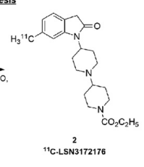
 |  |  | DOI: 10.2967/jnumed.118.222034

BioAssay Results
Activity Value, µM | Activity Type | BioAssay Name | BioAssay AID | Substance SID
8 | Kd

